Data Individual
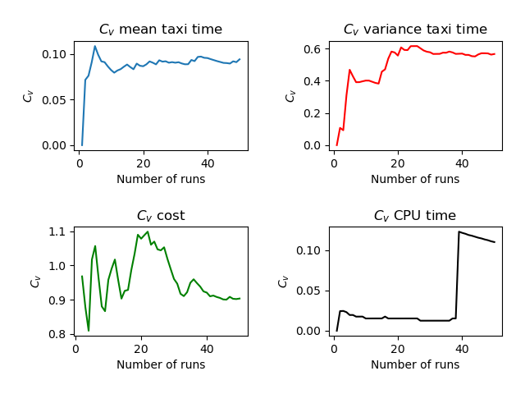
Run | Number of Aircraft | Maximum Spawn Time | Mean Taxitime | Variance Taxitime | Variance Cost | CPU Time
1 | 5 | 5 | 7.8 | 4.96 | 0 | 3.777
2 | 5 | 5 | 9 | 4 | 0.16 | 3.593
3 | 5 | 5 | 7.6 | 4.24 | 0.4 | 3.58
4 | 5 | 5 | 9.4 | 1.84 | 0.64 | 3.595
5 | 5 | 5 | 10.1 | 1.04 | 1.64 | 3.609
6 | 5 | 5 | 9 | 3.2 | 0.24 | 3.588
7 | 5 | 5 | 8.8 | 3.76 | 0.56 | 3.592
8 | 5 | 5 | 9.7 | 2.36 | 0.64 | 3.581
9 | 5 | 5 | 8.7 | 2.16 | 0.36 | 3.578
10 | 5 | 5 | 8.7 | 5.16 | 0.04 | 3.578
11 | 5 | 5 | 9.3 | 5.36 | 0.16 | 3.568
12 | 5 | 5 | 8 | 2.8 | 0.16 | 3.548
13 | 5 | 5 | 8 | 2.8 | 0.56 | 3.562
14 | 5 | 5 | 9.9 | 2.64 | 0.6 | 3.584
15 | 5 | 5 | 10 | 0.4 | 0.16 | 3.632
16 | 5 | 5 | 9.1 | 1.64 | 0.24 | 3.738
17 | 5 | 5 | 8.8 | 7.76 | 0 | 3.575
18 | 5 | 5 | 10.5 | 0.6 | 0.04 | 3.632
19 | 5 | 5 | 9.2 | 6.16 | 0 | 3.568
20 | 5 | 5 | 8.4 | 4.24 | 0.24 | 3.622
21 | 5 | 5 | 10.2 | 0.16 | 1.44 | 3.593
22 | 5 | 5 | 7.8 | 5.36 | 0.16 | 3.565
23 | 5 | 5 | 8.6 | 2.24 | 0.56 | 3.554
24 | 5 | 5 | 8.9 | 8.24 | 0.16 | 3.605
25 | 5 | 5 | 10.6 | 2.24 | 0.4 | 3.577
26 | 5 | 5 | 9.5 | 2.2 | 0.24 | 3.563
27 | 5 | 5 | 8.2 | 3.76 | 0.16 | 3.588
28 | 5 | 5 | 9.3 | 3.96 | 0.56 | 3.595
29 | 5 | 5 | 10.1 | 3.04 | 0.56 | 3.58
30 | 5 | 5 | 9.8 | 2.56 | 0.56 | 3.575
31 | 5 | 5 | 8.2 | 5.36 | 0.4 | 3.576
32 | 5 | 5 | 8.9 | 2.24 | 0.64 | 3.578
33 | 5 | 5 | 9.6 | 2.24 | 1.2 | 3.583
34 | 5 | 5 | 10 | 1.6 | 0.16 | 3.586
35 | 5 | 5 | 7.4 | 6.64 | 0 | 3.564
36 | 5 | 5 | 9 | 1.6 | 0.16 | 3.617
37 | 5 | 5 | 11 | 6.1 | 0.34 | 3.821
38 | 5 | 5 | 8.2 | 3.76 | 0.4 | 3.569
39 | 5 | 5 | 9.2 | 6.96 | 0.4 | 6.43
40 | 5 | 5 | 8.4 | 2.24 | 0.24 | 3.576
41 | 5 | 5 | 9.2 | 3.76 | 0.4 | 3.562
42 | 5 | 5 | 9.3 | 2.36 | 0.24 | 3.617
43 | 5 | 5 | 9.3 | 3.96 | 0.24 | 4.006
44 | 5 | 5 | 9.4 | 2.54 | 0.3 | 3.617
45 | 5 | 5 | 9.1 | 1.04 | 0.24 | 3.605
46 | 5 | 5 | 8.4 | 1.44 | 0.24 | 3.557
47 | 5 | 5 | 9.7 | 6.76 | 0.16 | 3.578
48 | 5 | 5 | 7.6 | 6.74 | 0.3 | 3.633
49 | 5 | 5 | 9 | 4.4 | 0.24 | 3.654
50 | 5 | 5 | 10.9 | 1.84 | 0.16 | 3.591
 |  |  | 9.096 | 3.4892 | 0.362 | 3.6643

